Registration
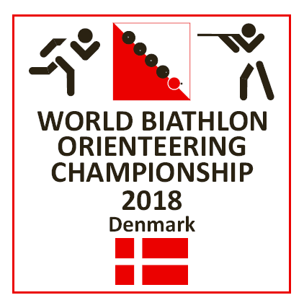
9 - 12 August
2018
in the middle
of Jutland

 |  |  |  |  |  |  |  | Responsible for entry: |  |  |  |  | Entry fees: Handelsbanken, Bredgade 20, 7470 Karup
 |  |  |  |  |  |  |  | Name |  |  |  |  | IBAN |  | DK0276440002003687
 |  |  |  |  |  |  |  | E-mail |  |  |  |  | BIC/SWIFT |  | HANDDKKK
 |  |  |  |  |  |  |  | Phone |  |  |  |  | Entry not valid before payment is done

 |  |  |  |  |  |  |  | Send entry form to |  | vsv@webspeed.dk |  | before 18. july 2018
 |  |  |  |  |  |  |  | Classic | Sprint | Relay |  | Accommodation | Breakfast | Food package | Evening meal | T-shirt | Size | Banquet | Total
 |  |  |  |  |  |  |  | distance | distance | M21 (3 prs) | Others (2 prs) | €/night | Pay cash or card | Pay cash or card | Pay cash or card | with logo | S-M-L-XL |  | 0
 | Country | Club | Class | First name | Surname | Year of birth |  | € 25 | € 25 | € 75 | € 50 | € 8 | € 0 | € 0 | € 0 | € 10 |  | € 20

Ex | DEN | IFK | M21 | Hans | Hansen | 1995 |  | X | X |  |  | 2 | 4 | 2 | 2 | 1 | L | x | 96

1 |  |  |  |  |  |  |  |  |  |  |  |  |  |  |  |  |  |  | 0
2 |  |  |  |  |  |  |  |  |  |  |  |  |  |  |  |  |  |  | 0
3 |  |  |  |  |  |  |  |  |  |  |  |  |  |  |  |  |  |  | 0
4 |  |  |  |  |  |  |  |  |  |  |  |  |  |  |  |  |  |  | 0
5 |  |  |  |  |  |  |  |  |  |  |  |  |  |  |  |  |  |  | 0
6 |  |  |  |  |  |  |  |  |  |  |  |  |  |  |  |  |  |  | 0
7 |  |  |  |  |  |  |  |  |  |  |  |  |  |  |  |  |  |  | 0
8 |  |  |  |  |  |  |  |  |  |  |  |  |  |  |  |  |  |  | 0
9 |  |  |  |  |  |  |  |  |  |  |  |  |  |  |  |  |  |  | 0
10 |  |  |  |  |  |  |  |  |  |  |  |  |  |  |  |  |  |  | 0
11 |  |  |  |  |  |  |  |  |  |  |  |  |  |  |  |  |  |  | 0
12 |  |  |  |  |  |  |  |  |  |  |  |  |  |  |  |  |  |  | 0
13 |  |  |  |  |  |  |  |  |  |  |  |  |  |  |  |  |  |  | 0
14 |  |  |  |  |  |  |  |  |  |  |  |  |  |  |  |  |  |  | 0
15 |  |  |  |  |  |  |  |  |  |  |  |  |  |  |  |  |  |  | 0
16 |  |  |  |  |  |  |  |  |  |  |  |  |  |  |  |  |  |  | 0
17 |  |  |  |  |  |  |  |  |  |  |  |  |  |  |  |  |  |  | 0
18 |  |  |  |  |  |  |  |  |  |  |  |  |  |  |  |  |  |  | 0
19 |  |  |  |  |  |  |  |  |  |  |  |  |  |  |  |  |  |  | 0
20 |  |  |  |  |  |  |  |  |  |  |  |  |  |  |  |  |  |  | 0
21 |  |  |  |  |  |  |  |  |  |  |  |  |  |  |  |  |  |  | 0
22 |  |  |  |  |  |  |  |  |  |  |  |  |  |  |  |  |  |  | 0

1 |  |  |  |  | Relay team |  | 123 |  |  |  |  |  |  |  |  |  |  |  | 0
2 |  |  |  |  | Relay team |  | 123 |  |  |  |  |  |  |  |  |  |  |  | 0
3 |  |  |  |  | Relay team |  | 123 |  |  |  | 1 |  |  |  |  |  |  |  | 0
4 |  |  |  |  | Relay team |  | 123 |  |  |  |  |  |  |  |  |  |  |  | 0
5 |  |  |  |  | Relay team |  | 123 |  |  |  |  |  |  |  |  |  |  |  | 0
6 |  |  |  |  | Relay team |  | 123 |  |  |  |  |  |  |  |  |  |  |  | 0
7 |  |  |  |  | Relay team |  | 123 |  |  |  |  |  |  |  |  |  |  |  | 0
8 |  |  |  |  | Relay team |  | 123 |  |  |  |  |  |  |  |  |  |  |  | 0
9 |  |  |  |  | Relay team |  | 123 |  |  |  |  |  |  |  |  |  |  |  | 0
10 |  |  |  |  | Relay team |  | 123 |  |  |  |  |  |  |  |  |  |  |  | 0
11 |  |  |  |  | Relay team |  | 123 |  |  |  |  |  |  |  |  |  |  |  | 0
12 |  |  |  |  | Relay team |  | 123 |  |  |  |  |  |  |  |  |  |  |  | 0
 |  |  |  |  |  |  |  |  |  |  |  |  |  |  |  |  |  | Total Euro | 0

 | Danish participants: Payment i DKR (EURO x 7,50 kr) to Handelsbanken, konto |  |  |  |  | 7644 - |  | 2003687 |  |  |  |  |  |  |  |  |  | Total DKR | 0

